Sheet1
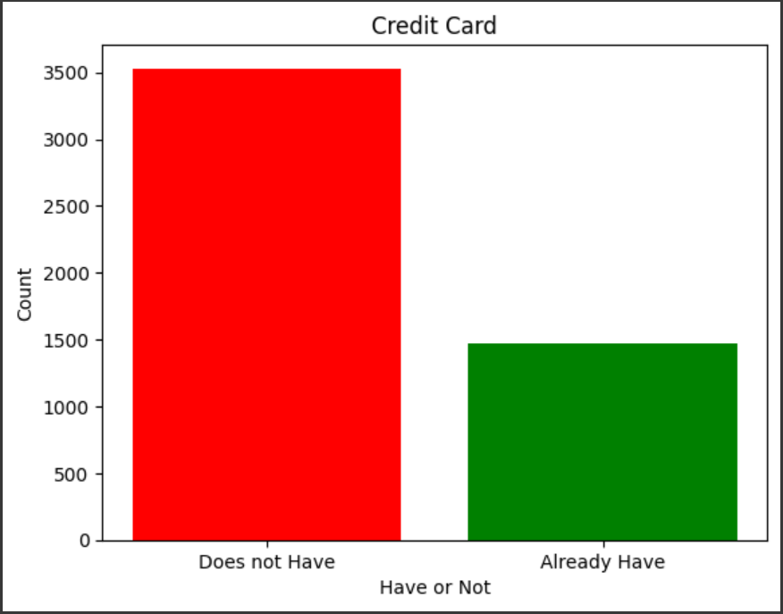
Did this customer accept the personal loan offered in the last campaign?

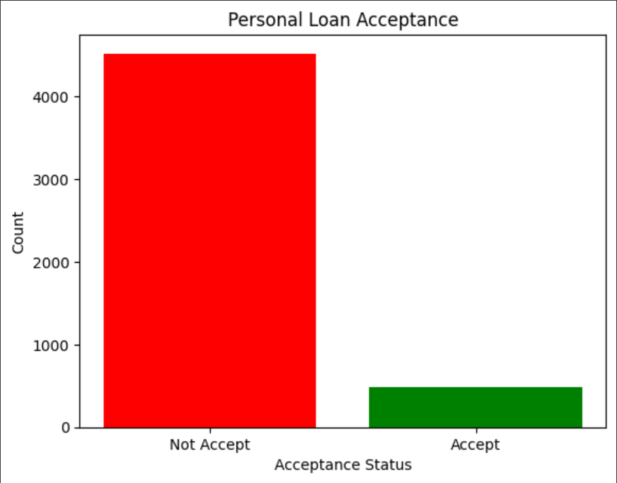

Does the customer have a securities account with the bank?

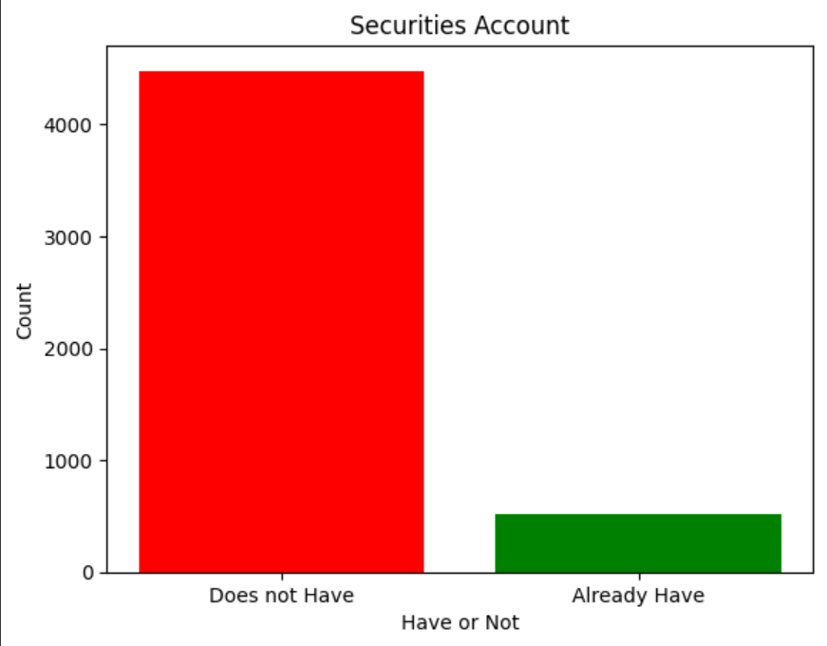

Does the customer have a certificate of deposit (CD) account with the bank?

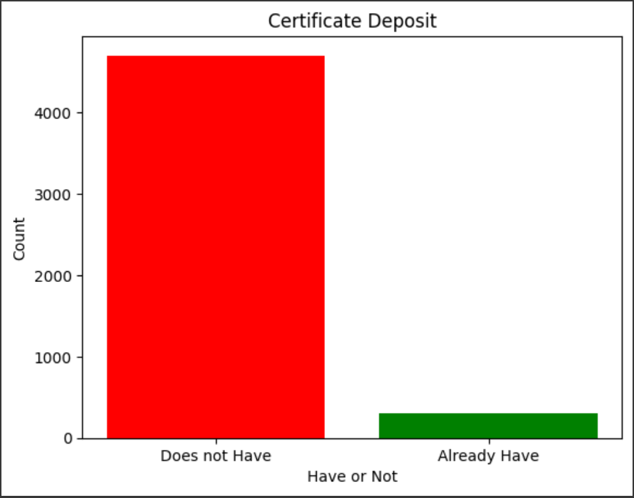

Does the customer use internet banking facilities?

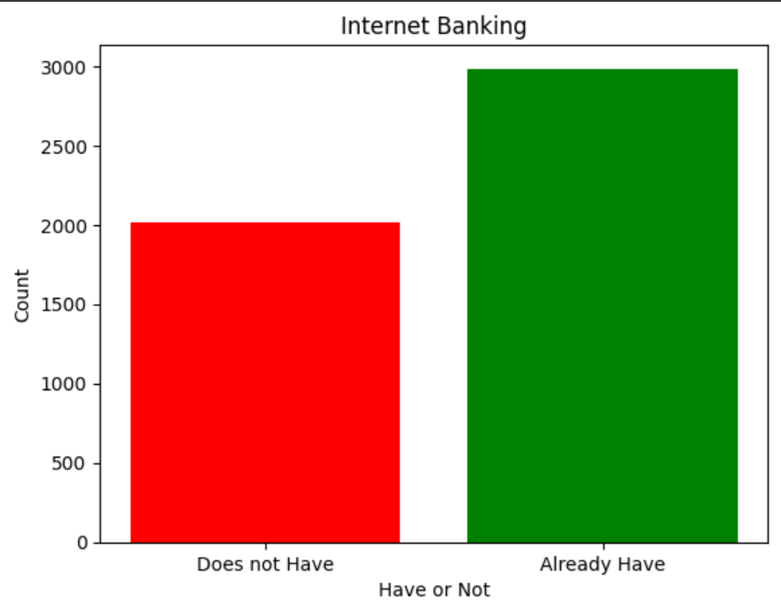

Does the customer use a credit card issued by UniversalBank?

